Weapon Notes
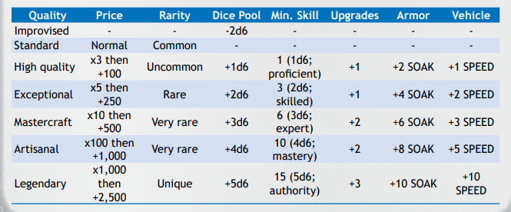
Changes to the current system

Currently the weapon list is very short and generic for a "galaxy wide" commerse system - and probably is intended for "open source" weapons simmilar to all the varients of AK47's

This list is still going to stay, and will make use of the quality system. This new additional list are stand alone items that "cannot" use the quality sytem
Changes to the original list will be to add an ammo capacity to them

// ToDo ammo capacities for weapons, with varients for higher quality.

Weapon types |  |  |  | Company names |  |  | Positive | Negative | quality | Special effects
Ballistic |  |  |  | Yamamoto |  | b | Capacity | Damage | n | Side arm
radiation | R |  |  | Daystellar |  | z | Cost | upgradeability | n | Heavy | Str 8 only one attack per round
Electricity | R |  |  | Trans Sun |  | r | upgradeability | size | n | Auto | 0
Polaron (Heat) |  |  |  | MegaDyne |  | r | Firerate | Capacity | y | Radiation Bleed |  | 1d6 damage each round (hour is probably better) untill healed
Grenade |  |  |  | TerraCorp |  | b | Reload | Damage | n | Single | only fired once a round |  |  |  |  |  |  | Note
Laser (traditional starwars plasma) | F |  |  | Ding |  | r | Cost | Damage | n | Beam | can be used as tracers |  |  |  |  |  |  | Special ammo exists for balistic weapons, except no capacity is given in the equipment list
Laser | R |  |  | Transbeam Yards |  | b | Reload | Firerate | n | stun
Cryo | F |  |  | Fu |  | b | upgradeability | Damage | y | Stun setting |  |  |  |  |  |  | New Weapon Table
Ion | R |  |  | Galactic concepts |  | r | Reload | Capacity | n | Combustion
Phaser | RF |  |  | OuterWide |  | z | Damage | Reload | n | AT | Double damage against vehicles // can penitrate through targets - gm discression
Sonic | R |  |  | Overwatch Syndicate |  | z | Firerate | Cost | y | Mounted | 2 actions to set up/down before can be used
Pulse cannon | R |  |  | Terralight |  | r | Damage | size | n | Seeker | heat seeking +2d6 to hit aslong as there is a heat source. Laser designated is based on the lasers position and not heat
Railgun (magnetic acceleration) |  |  | R-L | Daywatch |  | z | Accuracy | Firerate | y | min | x range in which the weapon wont work in if fired at
missle |  |  |  | OmniWatch |  | b | Accuracy | Reload | n
antimatter | F |  |  | Korovin |  | b | Capacity | Cost | n
Gauss | R |  |  | Silver Sun |  | r | Reload | Accuracy | n | Aspects of guns
Disrupter | R |  |  | Way Prime |  | b | Firerate | Damage | n | Accuracy
Electron | F |  |  | Waydyne |  | b | Reload | upgradeability | n | Capacity
Desintergration autocannon (WTF) |  |  | F | microCo |  | b | Firerate | Cost | n | Damage
Tachyon autopistol |  | F |  | New Prime |  | z | Accuracy | size | n | Reload
Zero Point | R |  |  | MegaBreak |  | b | Capacity | Accuracy | n | size
Microwave | R |  |  | Transfarer |  | z | Cost | Damage | n | Cost
Repulsor | R |  |  | Daywide |  | r | Accuracy | upgradeability | n | upgradeability
Pulse Laser | R |  |  | Bell |  | r | upgradeability | Cost | n | Firerate
 |  |  |  | PanLight group |  | b | Firerate | Accuracy | n

Weapon clasifications |  |  |  |  |  |  |  |  | bonuses |  |  | magazine ammo capacities |  |  | ABR
Pistol |  |  |  |  |  |  |  |  | double capacity |  |  | Small | 7 | s | 3
PDW |  |  | Balistic | Small | quant 100 £13 |  | 1d6+3 |  | Boobytrapped |  |  |  | 17 | m | 5
SMG |  |  | Mid-S | 100 £41 |  | 2d6 |  |  | Combined weapon |  |  |  | 23 | l | 7
Rifle |  |  | Mid-L | 100 £85 |  | 2d6+2 |  |  | Scope |  |  |  | 40 | x | 14
Carbine |  |  | Large | 100 £300 |  | 2d6+4 // |  |  | Minaturized |  |  | Mid-S | 12 | s | 4
 |  |  |  |  |  |  |  |  | Id matched |  |  |  | 20 | m | 6
LMG |  |  |  |  |  |  |  |  | Seeker |  |  |  | 30 | l | 8
Ex Ordinance |  |  |  |  |  |  |  |  | Stealthy |  |  |  | 50 | x | 12
Support |  |  |  |  |  |  |  |  | Supressor |  |  | Mid-L | 10 | s | 3
 |  |  |  |  |  |  |  |  |  |  |  |  | 20 | m | 6
Shotgun |  |  |  |  |  |  |  |  |  |  |  |  | 40 | l | 10
 |  |  |  |  |  |  |  |  |  |  |  |  | 75 | x | 18
 |  |  |  |  |  |  |  |  |  |  |  |  |  |  | Sniper | regular
 |  |  |  |  |  |  |  |  |  |  |  | Large | 1 | s | 1 | 1
 |  |  |  |  |  |  |  |  |  |  |  |  | 4 | m | 4 | 2
 |  |  |  |  |  |  |  |  |  |  |  |  | 10 | l | 10 | 4
 |  |  |  |  |  |  |  |  |  |  |  |  | 25 | x | 25 | 9

Rules notes and custom
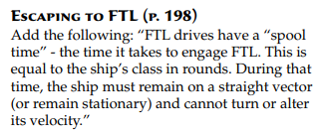
Supressive fire will be changed for accuracy and split into itself, and a new skill called "Covering Fire" | Errata v2.0
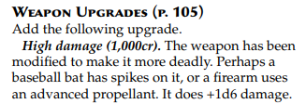
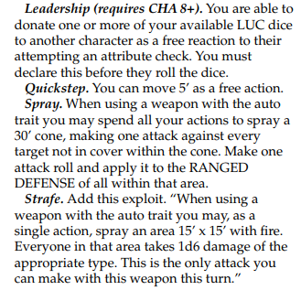
Supressive Fire
You designate an area (30'^2) to lay down supressive fire. Supressive Fire uses lots more ammunition - clarify with GM.

When intially using this action, Any targets within this area that are not behind full cover (no line of sight) may have one attack done against them unless thoes targets "Dive for cover" or simmilar .
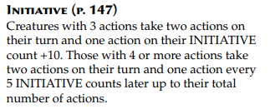

If players within this zone make any actions (excluding "Dive for Cover" or simmilar) may have another attack action done against them.

Supressive Fire ends your turn and consumes all unused actions.
Weapons without the Auto trait cannot use supressive fire

Covering Fire
Designate a player to apply covering fire to.
This action ends the players turn and consumes all unused actions.
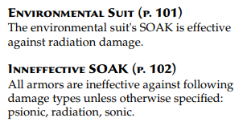
The target of covering fire gains 2d6 cover untill the actioneers turn comes around again
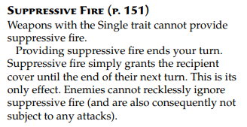
if somone uses an action against the covered target, the attacker can have one attack action made against them

<< This is basically the old supressive Fire with a new name as this makes more sence
<< like seriously, its just a name change |  | Note, this is not an exploit, it’s a global action.
<< unless somone does something, no ammo is used
<< weapons with the single trait can only use this action once before its benefits are over

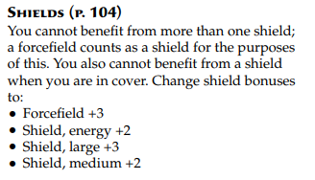
Burst
Burst is to reprisent controlled fire with Auto Weapons.
If a weapon has the Auto Trait when moving 2d6 from the to hit dice pool. Add an extra 1d6 to the damage dice pool to reprisent the additional down range fire hitting the target.

